State-transition technique
Name : Matri Pranay Employee ID : 85010955

State-transition Technique

1) Sample Scenario

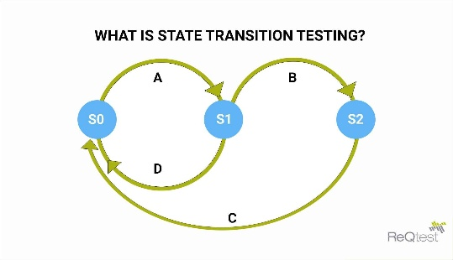
 | S.No | Current State | Event / Action | Next State
 | 1 | S0 | A | S1
 | 2 | S1 | B | S2
 | 3 | S2 | C | S0
 | 4 | S1 | D | S0

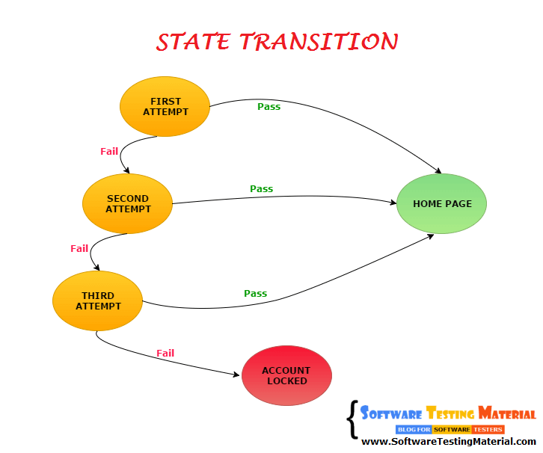
2) Login System

 | S.No | Current State | Event / Action | Next State
 | 1 | First Attempt | Pass | Home Page
 | 2 | First Attempt | Fail | Second Attempt
 | 3 | Second Attempt | Pass | Home Page
 | 4 | Second Attempt | Fail | Third Attempt
 | 5 | Third Attempt | Pass | Home Page
 | 6 | Third Attempt | Fail | Account Locked
3) ATM Card

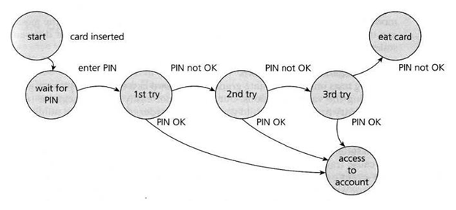
 | S.No | Current State | Event / Action | Next State
 | 1 | Start | Card Inserted | Wait for PIN
 | 2 | Wait for PIN | Enter PIN | 1st try
 | 3 | 1st try | PIN OK | Access to Account
 | 4 | 1st try | PIN not OK | 2nd try
 | 5 | 2nd try | PIN OK | Access to Account
 | 6 | 2nd try | PIN not OK | 3rd try
 | 7 | 3rd try | PIN OK | Access to Account
 | 8 | 3rd try | PIN not OK | Eat Card

4) Vehicle Driving
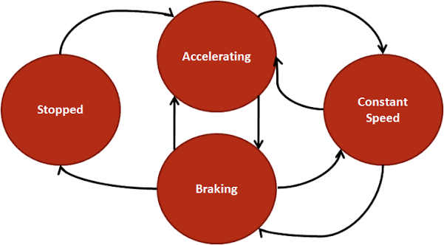
 | S.No | Current State | Event / Action | Next State
 | 1 | Stopped | Accelerator | Accelerating
 | 2 | Accelerating | Leave Accelerator | Constant Speed
 | 3 | Constant Speed | Slightly Apply Breaks | Breaking
 | 4 | Breaking | Complete Breaking | Stopped
 | 5 | Accelerating | Slightly Apply Breaks | Breaking
 | 6 | Breaking | Accelerator | Accelerating
 | 7 | Breaking | Leave Breaks | Constant Speed
 | 8 | Constant Speed | Accelerator | Accelerating
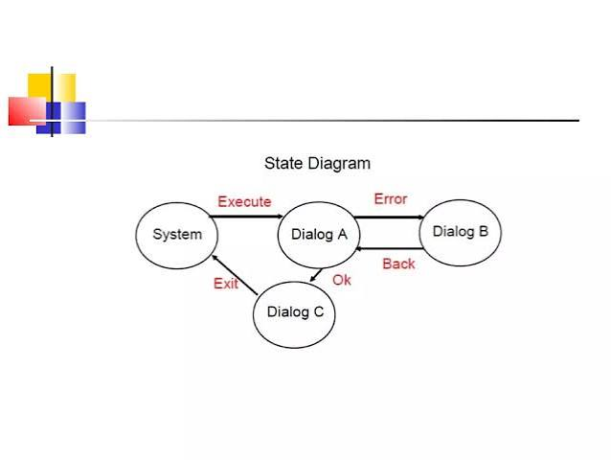
5) System Execution

 | S.No | Current State | Event / Action | Next State
 | 1 | System | Execute | Dialog A
 | 2 | Dialog A | OK | Dialog C
 | 3 | Dialog C | Exit | System
 | 4 | Dialog A | Error | Dialog B
 | 5 | Dialog B | Back | Dialog A

